Mainsheet
Currency code | Currency
AED | Emirati Dirham
AFN | Afghan Afghani
ALL | Albanian Lek
AMD | Armenian Dram
ANG | Dutch Guilder
AOA | Angolan Kwanza
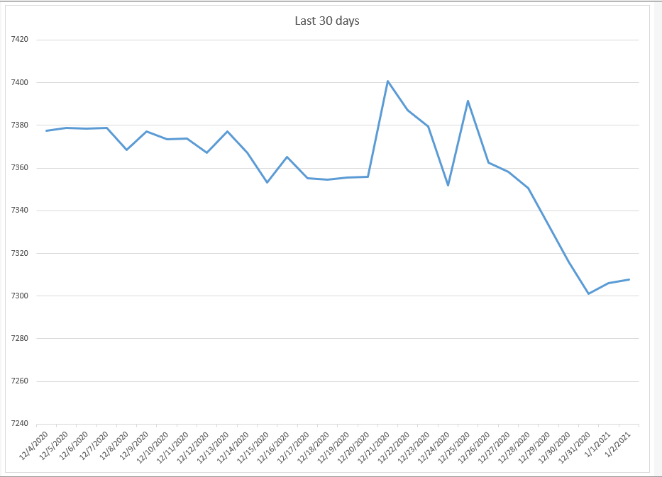
ARS | Argentine Peso
AUD | Australian Dollar
AWG | Aruban or Dutch Guilder
AZN | Azerbaijan Manat
BAM | Bosnian Convertible Mark
BBD | Barbadian or Bajan Dollar
BDT | Bangladeshi Taka
BGN | Bulgarian Lev
BHD | Bahraini Dinar
BIF | Burundian Franc
BMD | Bermudian Dollar
BND | Bruneian Dollar
BOB | Bolivian Bolíviano
BRL | Brazilian Real
BSD | Bahamian Dollar
BTN | Bhutanese Ngultrum
BWP | Botswana Pula
BYN | Belarusian Ruble
BZD | Belizean Dollar
CAD | Canadian Dollar
CDF | Congolese Franc
CHF | Swiss Franc
CLP | Chilean Peso
CNY | Chinese Yuan Renminbi
COP | Colombian Peso
CRC | Costa Rican Colon
CUC | Cuban Convertible Peso
CUP | Cuban Peso
CVE | Cape Verdean Escudo
CZK | Czech Koruna
DJF | Djiboutian Franc
DKK | Danish Krone
DOP | Dominican Peso
DZD | Algerian Dinar
EGP | Egyptian Pound
ERN | Eritrean Nakfa
ETB | Ethiopian Birr
EUR | Euro
FJD | Fijian Dollar
FKP | Falkland Island Pound
GBP | British Pound
GEL | Georgian Lari
GGP | Guernsey Pound
GHS | Ghanaian Cedi
GIP | Gibraltar Pound
GMD | Gambian Dalasi
GNF | Guinean Franc
GTQ | Guatemalan Quetzal
GYD | Guyanese Dollar
HKD | Hong Kong Dollar
HNL | Honduran Lempira
HRK | Croatian Kuna
HTG | Haitian Gourde
HUF | Hungarian Forint
IDR | Indonesian Rupiah
ILS | Israeli Shekel
IMP | Isle of Man Pound
INR | Indian Rupee
IQD | Iraqi Dinar
IRR | Iranian Rial
ISK | Icelandic Krona
JEP | Jersey Pound
JMD | Jamaican Dollar
JOD | Jordanian Dinar
JPY | Japanese Yen
KES | Kenyan Shilling
KGS | Kyrgyzstani Som
KHR | Cambodian Riel
KMF | Comorian Franc
KPW | North Korean Won
KRW | South Korean Won
KWD | Kuwaiti Dinar
KYD | Caymanian Dollar
KZT | Kazakhstani Tenge
LAK | Lao Kip
LBP | Lebanese Pound
LKR | Sri Lankan Rupee
LRD | Liberian Dollar
LSL | Basotho Loti
LYD | Libyan Dinar
MAD | Moroccan Dirham
MDL | Moldovan Leu
MGA | Malagasy Ariary
MKD | Macedonian Denar
MMK | Burmese Kyat
MNT | Mongolian Tughrik
MOP | Macau Pataca
MRU | Mauritanian Ouguiya
MUR | Mauritian Rupee
MVR | Maldivian Rufiyaa
MWK | Malawian Kwacha
MXN | Mexican Peso
MYR | Malaysian Ringgit
MZN | Mozambican Metical
NAD | Namibian Dollar
NGN | Nigerian Naira
NIO | Nicaraguan Cordoba
NOK | Norwegian Krone
NPR | Nepalese Rupee
NZD | New Zealand Dollar
OMR | Omani Rial
PAB | Panamanian Balboa
PEN | Peruvian Sol
PGK | Papua New Guinean Kina
PHP | Philippine Peso
PKR | Pakistani Rupee
PLN | Polish Zloty
PYG | Paraguayan Guarani
QAR | Qatari Riyal
RON | Romanian Leu
RSD | Serbian Dinar
RUB | Russian Ruble
RWF | Rwandan Franc
SAR | Saudi Arabian Riyal
SBD | Solomon Islander Dollar
SCR | Seychellois Rupee
SDG | Sudanese Pound
SEK | Swedish Krona
SGD | Singapore Dollar
SHP | Saint Helenian Pound
SLL | Sierra Leonean Leone
SOS | Somali Shilling
SPL | Seborgan Luigino
SRD | Surinamese Dollar
STN | Sao Tomean Dobra
SVC | Salvadoran Colon
SYP | Syrian Pound
SZL | Swazi Lilangeni
THB | Thai Baht
TJS | Tajikistani Somoni
TMT | Turkmenistani Manat
TND | Tunisian Dinar
TOP | Tongan Pa'anga
TRY | Turkish Lira
TTD | Trinidadian Dollar
TVD | Tuvaluan Dollar
TWD | Taiwan New Dollar
TZS | Tanzanian Shilling
UAH | Ukrainian Hryvnia
UGX | Ugandan Shilling
USD | US Dollar
UYU | Uruguayan Peso
UZS | Uzbekistani Som
VEF | Venezuelan Bolívar
VES | Venezuelan Bolívar
VND | Vietnamese Dong
VUV | Ni-Vanuatu Vatu
WST | Samoan Tala
XAF | Central African CFA Franc BEAC
XAG | Silver Ounce
XAU | Gold Ounce
XCD | East Caribbean Dollar
XDR | IMF Special Drawing Rights
XOF | CFA Franc
XPD | Palladium Ounce
XPF | CFP Franc
XPT | Platinum Ounce
YER | Yemeni Rial
ZAR | South African Rand
ZMW | Zambian Kwacha
ZWD | Zimbabwean Dollar

Last 30 days plot
Last 30 days
12/4/2020 | 7377.5499427
12/5/2020 | 7378.6813851
12/6/2020 | 7378.3243597
12/7/2020 | 7378.636909
12/8/2020 | 7368.3699472
12/9/2020 | 7377.2915014
12/10/2020 | 7373.4156376
12/11/2020 | 7373.9003994
12/12/2020 | 7367.0586125
12/13/2020 | 7377.2072546
12/14/2020 | 7367.0245875
12/15/2020 | 7353.1939914
12/16/2020 | 7365.1847719
12/17/2020 | 7355.28481
12/18/2020 | 7354.5152541
12/19/2020 | 7355.5662185
12/20/2020 | 7355.949572
12/21/2020 | 7400.7264145
12/22/2020 | 7387.1269795
12/23/2020 | 7379.4714053
12/24/2020 | 7351.802691
12/25/2020 | 7391.307245
12/26/2020 | 7362.4251107
12/27/2020 | 7358.2752606
12/28/2020 | 7350.4766895
12/29/2020 | 7333.606137
12/30/2020 | 7316.1908328
12/31/2020 | 7300.970586
1/1/2021 | 7305.9036163
1/2/2021 | 7307.7358442

